Sheet2
ANJI WANGKUNLI FURNITURE CO.LTD
Website: www.ajwkl.com http://wkl.en.alibaba.com
Mail: edward@ajwkl.com
TEL:0086-13345822319
wechat: 13345822319
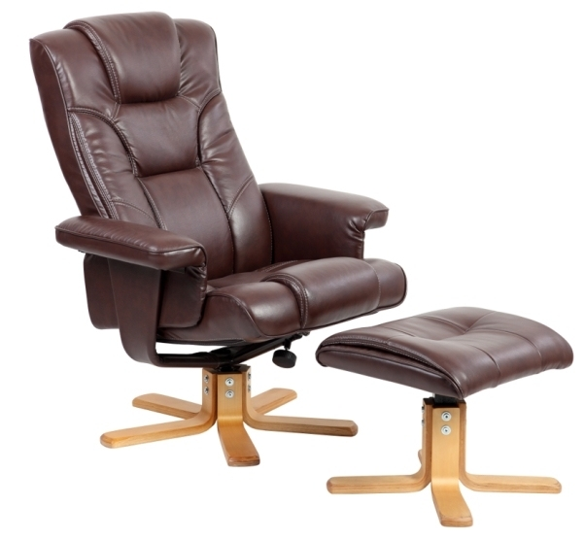 |  | Item No: | 9218-B
 |  | Description: | Recliner chair with ten point massage+heating
 |  | Dimension: | chair W85*D90/113*H96/104CM footrest 46*44*40CM
 |  | Material: | PU
 |  | Packaging: | 1PC/CTN
 |  | Carton Dimension: | 83.5*64*38cm
 |  | N.W/G.W: | 19.5/23KG
 |  | Quantity Per Container | 40HQ 350PCS
 |  | Price Per Item: | $79.00
all the chairs could add massagers and heat functions: 11USD for 6 points massagers,13USD for 8 points and 2 USD for heat functions

 | PRICE | Discount | FIANNAL COST
shipping cost | 4450USD | 5% discount | FINNAL COST USD4227.5， 3% of spare parts in free,FROM NINGBO CHINA TO REJEKA

SHIPPING COST IS VALID FOR ONE WEEK

